Project_info
Info |  |  | Workability limits |  |  | Work windows
Identifier | Value |  | Task | wind | waves | Task | Hours
Name | demonstration |  | anchor install | 15 | 2 | anchor install | 12
Latitude | 35.36 |  | anchor install DEA | 20 | 2.5 | ml install | 12
Longitude | 130.02 |  | ml install | 20 | 2.5 | towing | 60
Turbines to install | 45 |  | towing | 20 | 3.5 | hookup | 60
Anchors to install | 135 |  | hookup | 12 | 2
Anchors to install - shared | 59
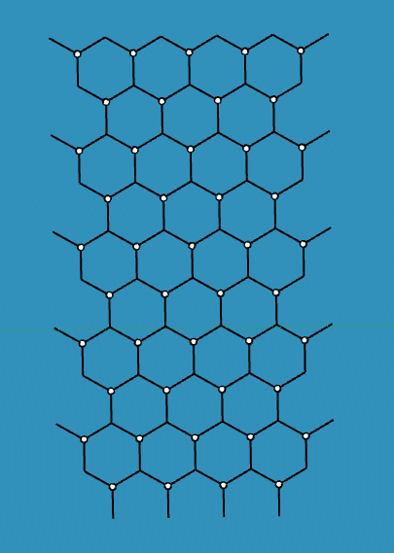
Start | 2023
Distance home - marshalling yard | 2200 | NM
Distance home - fabrication yard | 2100 | NM |  |  |  |  |  | First cluster |  | n anchors | n MLs
Distance marshalling yard - site | 35 | NM |  |  |  |  |  |  | single ML | 2 | 2
Distance fabrication yard - site | 55 | NM |  |  |  |  |  |  | double ML | 6 | 12
Days between complete FWT | 6 |  |  |  |  |  |  |  | triple ML | 7 | 21
water depth | 120 | m
 |  |  |  |  |  |  |  | Middle cluster |  | n anchors | n MLs
 |  |  |  |  |  |  |  |  | single ML | 2 | 2
 |  |  |  |  |  |  |  |  | double ML | 2 | 4
 |  |  |  |  |  |  |  |  | triple ML | 7 | 21

Please note: all information in this excel is fictive
 |  |  |  |  |  |  |  | End cluster |  | n anchors | n MLs
 |  |  |  |  |  |  |  |  | single ML | 6 | 6
 |  |  |  |  |  |  |  |  | double ML | 2 | 4
 |  |  |  |  |  |  |  |  | triple ML | 3 | 9

 |  |  |  |  |  |  |  |  | sum | 59 | 135 | Same amount of MLs as non-shared

